DASHBOARD

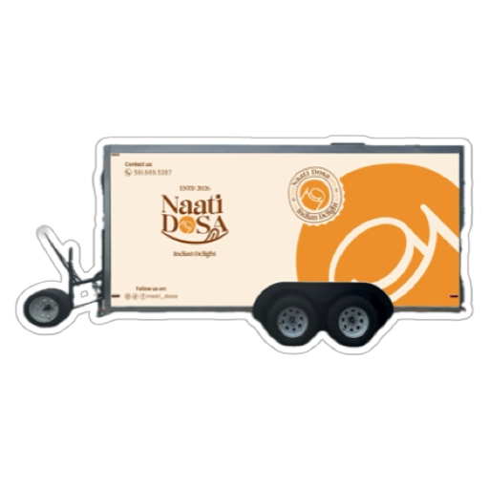

REVENUE BY CATEGORY
 | Total
Beaked Items | $4
Coffee Beverages | $6
Desserts | $15
Dosa Items | $13
Rice Items | $7
Sandwiches | $8
Snacks | $9
WEEKDAY TRANSACTION COUNT
 | Total
Sun | 4
Mon | 4
Tue | 6
Wed | 6
Thu | 3
Fri | 12
Sat | 4
YEARLY REVENUE %
 | Total
2023 | 100%
CATEGORY TRANSACTIONS
 | Total
Beaked Items | 4
Coffee Beverages | 5
Desserts | 14
Dosa Items | 12
Rice Items | 8
Sandwiches | 8
Snacks | 9
MONTHLY TRANSACTIONS
 | 2023
Feb | 39
REVENUE % BY CITY
 | Total
Austin | 100%
MONTHLY PROFIT & REVENUE
 | REVENUE | PROFIT
Feb | $178 | $62
NAATI DOSA SALES DASHBOARD
TRANSACTIONS
TOTAL QTY SOLD
TOTAL REVENUE
TOTAL PROFIT
60
60
$-
$62

14117






 |  |  | s

 |  | =

 | s

s

